TravelSmart Calculator
TravelSmart Options Calculator

This tool will help you determine:
• What to do with your parking permit. Whether it makes financial sense to keep or cancel your current parking permit. This is based on how many days per week you plan to travel to campus as a TravelSmart participant using active transportation (biking, carpooling, taking the bus, or walking).
• The financial savings and environmental benefits of using active transportation in comparison to driving alone for your personal situation.

STEP 1. Let's start with the basics…
 | Click on the box and select your current monthly parking fee/zone color from the dropdown list. If you do NOT know your parking fee/zone color, click on the "Campus Parking Map" link located to the right to confirm your fee/zone. |  |  |  |  |  | Campus Parking Map (click here)
 | Click on the box and select the type of vehicle you typically drive to campus from the dropdown list. |  |  |  |  |  | small car | medium car | large car | SUV/Truck | minivan
 | Enter the number of miles you travel ONE-WAY when commuting from your home to campus. If you do NOT know the mileage for your one-way commute, click on the link to the right to calculate it. |  |  |  |  | Click here to calculate the distance you travel ONE-WAY with Google Maps

STEP 2. How many days per week do you CURRENTLY use each of the modes noted below to travel to campus?
 |  | On average, enter the number of days per week that you DRIVE BY YOURSELF to campus
 |  | On average, enter the number of days per week that you WALK or BIKE to campus
 |  | On average, enter the number of days per week that you ride the BUS to campus
 |  | On average, enter the number of days per week that you CARPOOL to campus

STEP 3. As a TravelSmart participant, how many days per week do you PLAN to use each of the modes noted below to travel to campus? |  |  |  |  |  |  | Annual savings as a TravelSmart Participant |  |  | $
 |  | On average, enter the number of days per week that you plan to DRIVE BY YOURSELF to campus
 |  | On average, enter the number of days per week that you plan to WALK or BIKE to campus |  |  |  |  | Annual positive environmental impact as a TravelSmart participant is like planting
 |  | On average, enter the number of days per week that you plan to ride the BUS to campus
 |  | On average, enter the number of days per week that you plan to CARPOOL to campus |  |  |  |  | 0 | new mature trees


STEP 4. As a TravelSmart participant using the plan you noted in Step #3 above, should you CANCEL or KEEP your current parking permit?
Based on your plan noted in Step #3, it's more cost-effective for you to participate in TravelSmart and…
 |  | #N/A

EXPLANATION: You will always save money if you participate in TravelSmart and use active transportation (see the Cost Savings section below)! However, to maximize your savings, it’s important to make a well-informed decision about whether to keep or cancel your current parking permit. For most people, if you use active transportation a majority of the days per week that you travel to campus (e.g., 3 out of 5 days/week), it’s financially advantageous to cancel your parking permit. In this situation, you only have to pay for $3 daily-rate flexible parking a few days a week when you drive to campus by yourself, which in total for the month is less than what you would pay for your parking permit. On the flip side, if you drive by yourself to campus more days per week than you use active transportation, it makes more financial sense to keep your parking permit. In this case, it’s less expensive to pay the parking permit fee instead of pay for multiple days of $3 daily-rate flexible parking each week. You can test this out for your specific situation by adjusting the number of days you “plan” to use an active transportation mode in Step #3.

COST SAVINGS

Based on your personal commuting pattern and the TravelSmart plan you noted in Step #3…

Your Pocketbook |  |  |  | Current Monthly Costs | Monthly Costs as a TravelSmart Participant
$ | Parking* |  |  | Permit Fee | Permit Fee OR Daily-Rate Fee |  | *Current parking cost corresponds with the monthly parking permit fee. Parking cost as a TravelSmart participant either entails the monthly parking permit fee OR the cost of periodically using $3 daily-rate flexible parking; it depends on the # of days/week a participant plans to use active transportation. See the "explanation" in Step #4 for more info. **Total operations/maintenance cost calculation for driving a vehicle come from AAA and include the average cost per mile for gas, maintenance, tires, and depreciation. Cost to walk, bike, or use the bus comes from The Bike Union and include shoes, bike tires + tubes, a bike tuneup, and/or cold-weather clothing. An average of $150/year is assumed for these active transportation costs.
 |  |  |  | #N/A | #N/A

 | Total Operations + Maintenance Cost to Drive, Bike, Bus, or Walk** |  |  | #N/A | #N/A

 |  |  | TOTAL COST | #N/A | #N/A

 |  |  |  | Monthly Savings as a TravelSmart Participant
 |  |  |  | #N/A
 |  |  |  | Annual Savings as a TravelSmart Participant
 |  |  |  | #N/A

The Planet
 | As a TravelSmart participant, your use of active transportation helps reduce your environmental impact by… |  |  | CO2
 |  |  |  | 0 | 0
 |  |  |  | pounds of carbon dioxide emissions/pollution avoided each year | equivalent to this number of mature trees absorbing carbon dioxide and cleaning our air

QUESTIONS?
Contact us at TravelSmart@unmc.edu or 402.559.8580 (ext. 3)

Campus Parking Map
CLICK HERE to return to the TravelSmart Calculator!
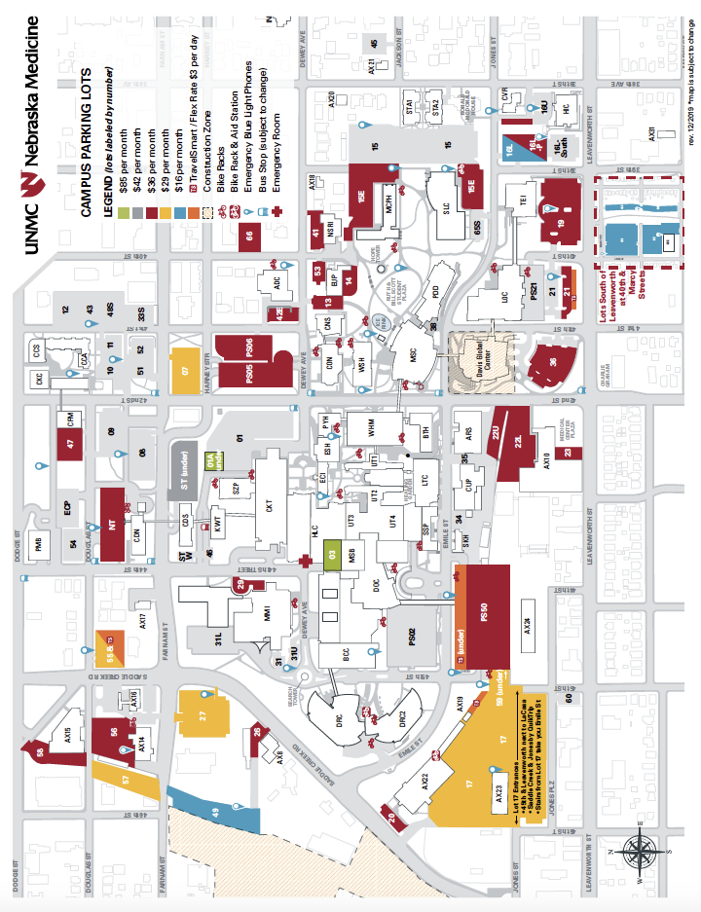

 | CLICK HERE to return to the TravelSmart Calculator!

CLICK HERE to return to the TravelSmart Calculator!

